Sheet1
DATE | INV NO. | DESCRIPTIONS | QTY | BILLS | PRICE | SUBTOTAL | TOTAL | STATUS
4-Dec-2025 | 2512/FK-0494 | TOP SIDE CAP OFF AA6-7 | 23.74 | 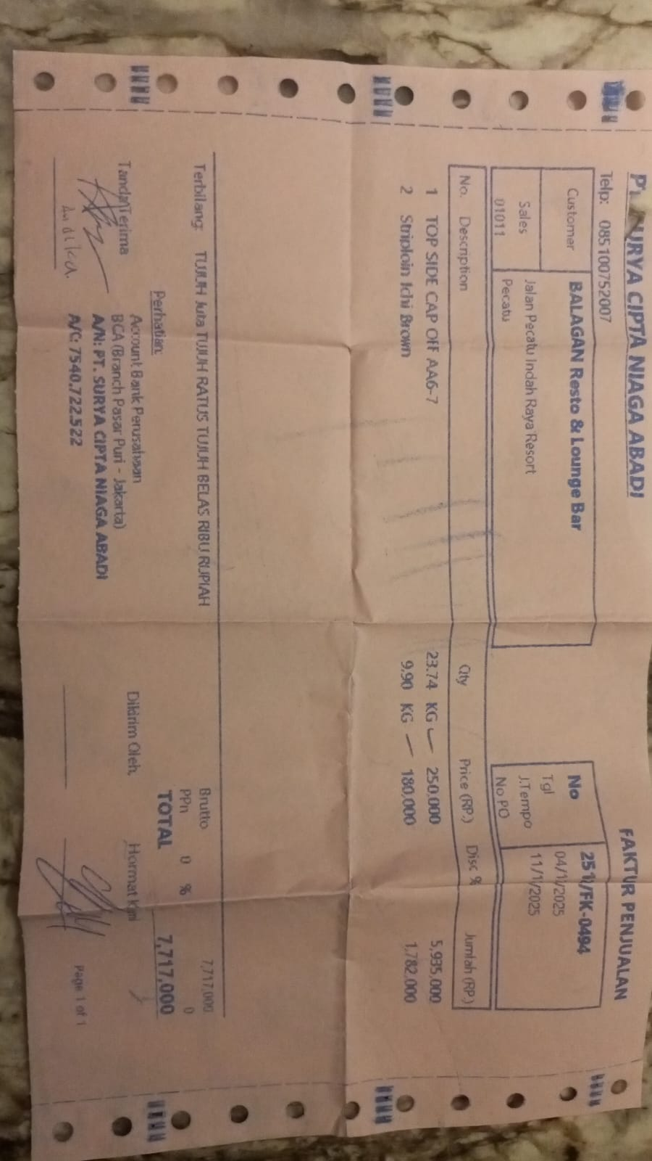 | Rp250,000 | Rp5,935,000 | Rp7,717,000 | PAID
 |  | STRIPLOIN ICHI BROWN | 9.9 |  | Rp180,000 | Rp1,782,000
22-Dec-2025 | 2512/FK-2109 | TOP SIDE BLACK ANGUS GF ONYX | 9.16 | 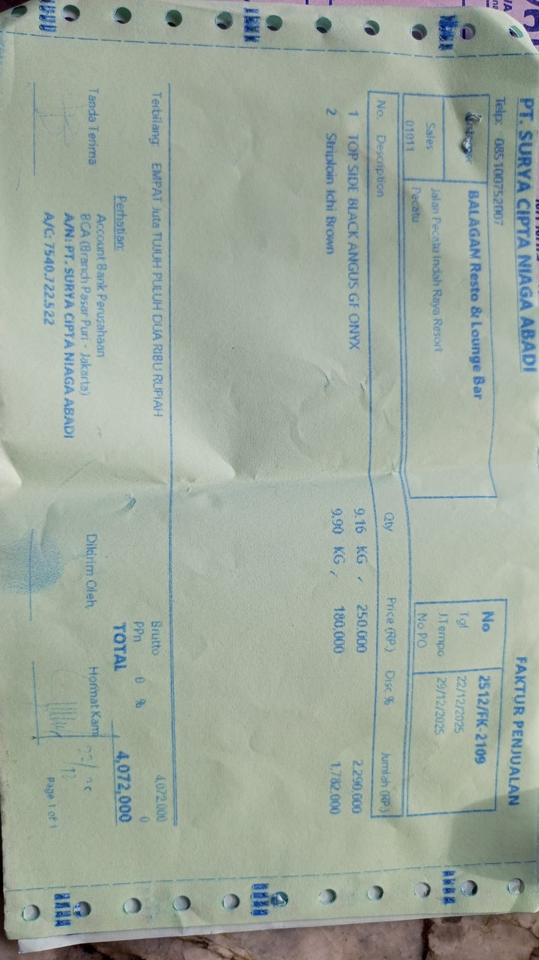 | Rp250,000 | Rp2,290,000 | Rp4,072,000 | PAID
 |  | STRIPLOIN ICHI BROWN | 9.9 |  | Rp180,000 | Rp1,782,000
29-Dec-2026 | 2512/FK-2888 | STRIPLOIN ICHI BROWN | 9.72 | 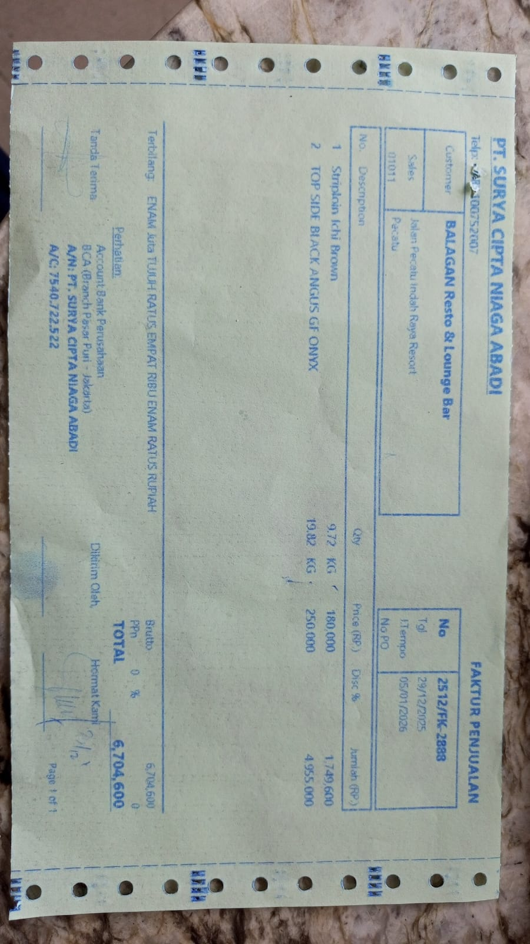 | Rp180,000 | Rp1,749,600 | Rp6,704,600 | 2026-01-05
 |  | TOP SIDE BLACK ANGUS GF ONYX | 19.82 |  | Rp250,000 | Rp4,955,000
2-Jan-2026 | 2601/FK-0057 | STRIPLOIN ICHI BROWN | 12.79 | 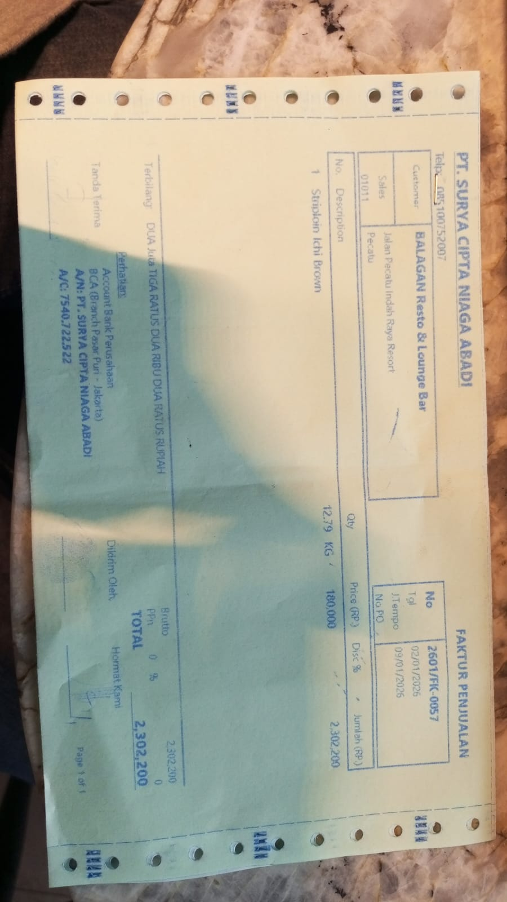 | Rp180,000 | Rp2,302,200 | Rp2,302,200 | 2026-01-09
TOTAL |  |  |  |  |  | Rp9,006,800

